Django with Rest API
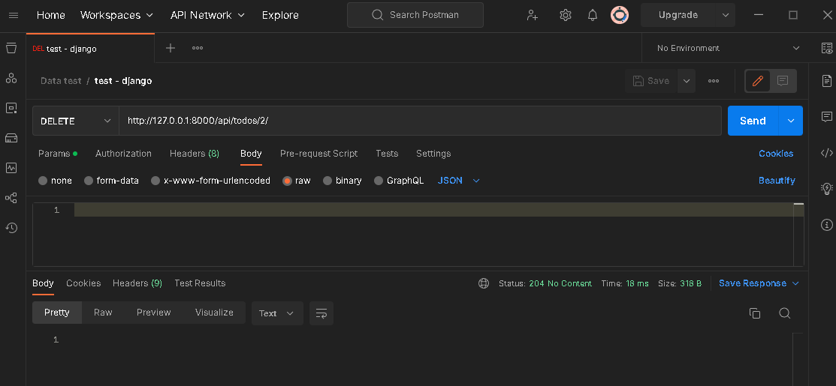
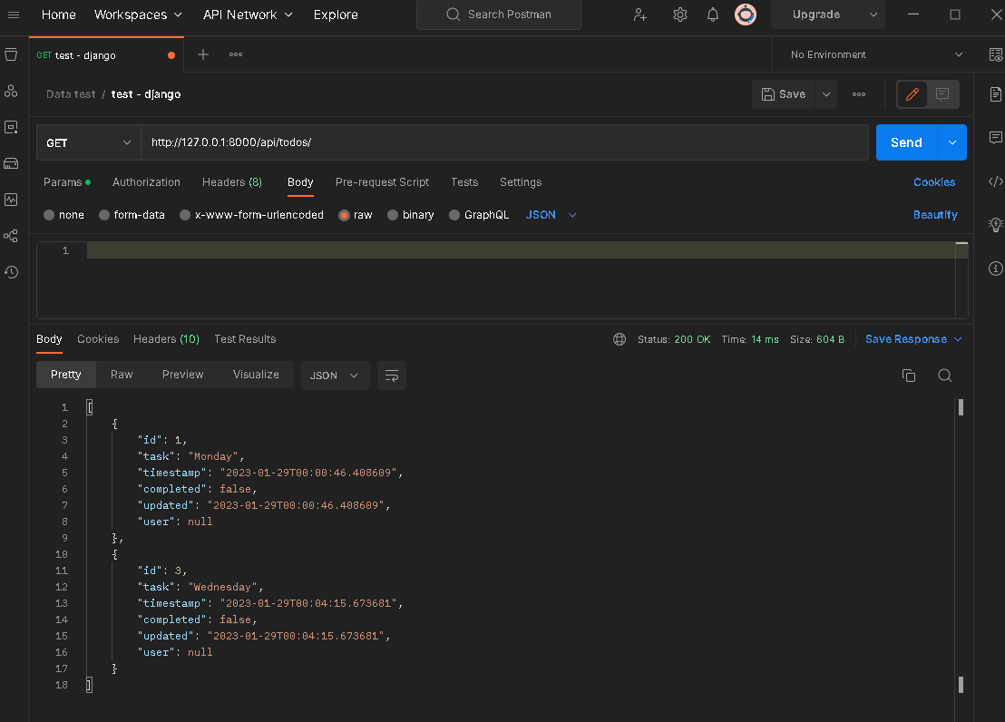
# Commentation from developer ( Chonlathon Thabchabok , Benz)

for this Application, It's easy to make but I spend a lot of time with leaning with toturial of Django Farmwork,
Because I never use it before but for now I might be better for understand what framework will do.

# Procedure to Use todo list ( please migrate project before do step as below )

You can run this project app by command << python manage.py runserver >> and then you can use external api tools to call method to manage data on this project.

In my case, I use postman to call.

There is request common header for every activity that will manage the data on this project.

Method POST ( Create New Data ) --> http://127.0.0.1:8000/api/todos/

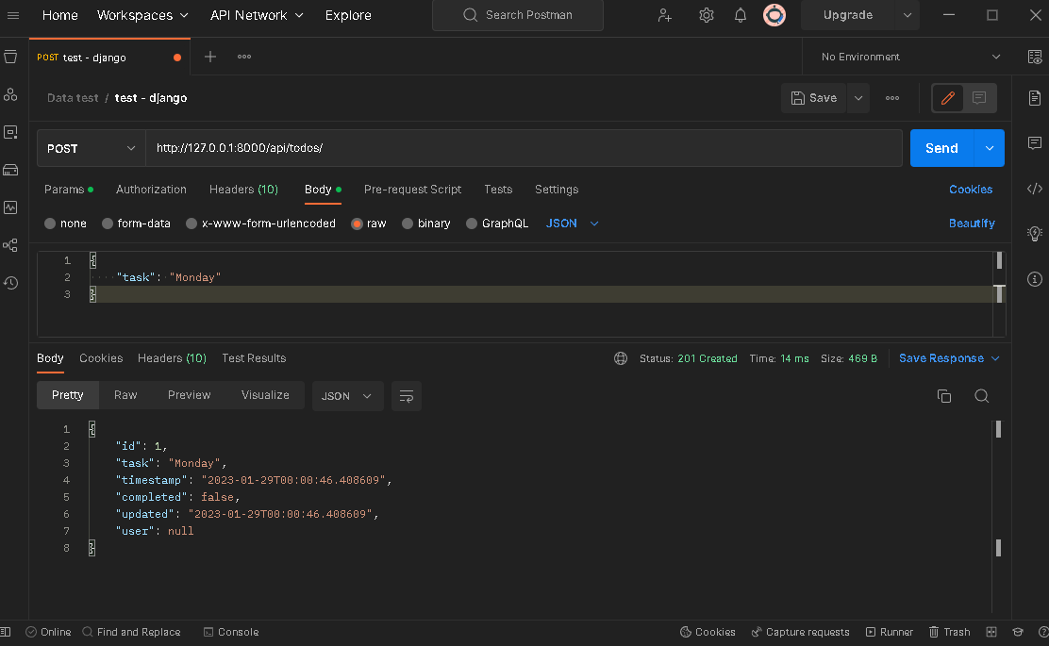

Method Get ( Query Exitst Data ) --> http://127.0.0.1:8000/api/todos/
 | Method Get ( Query Exitst Data ) --> http://127.0.0.1:8000/api/todos/{id}/

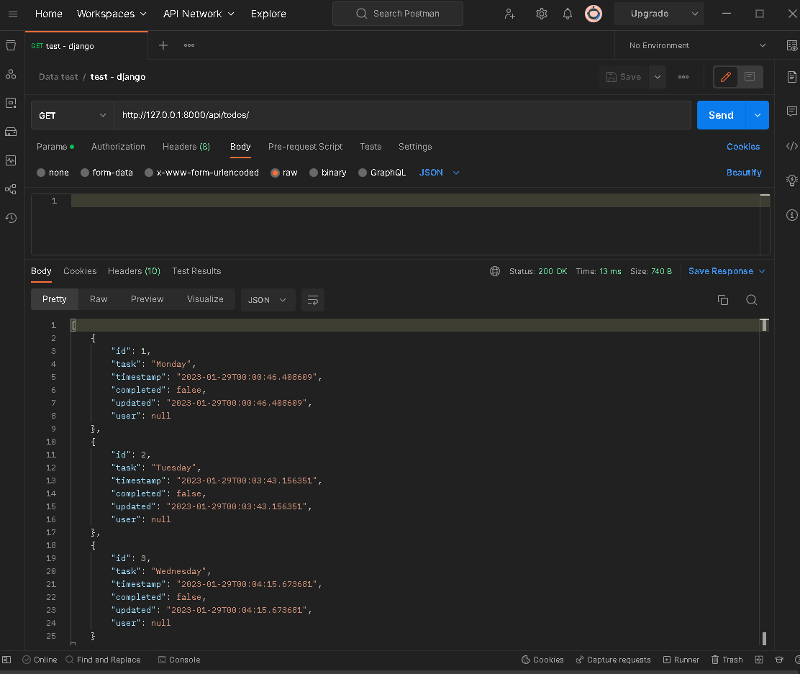
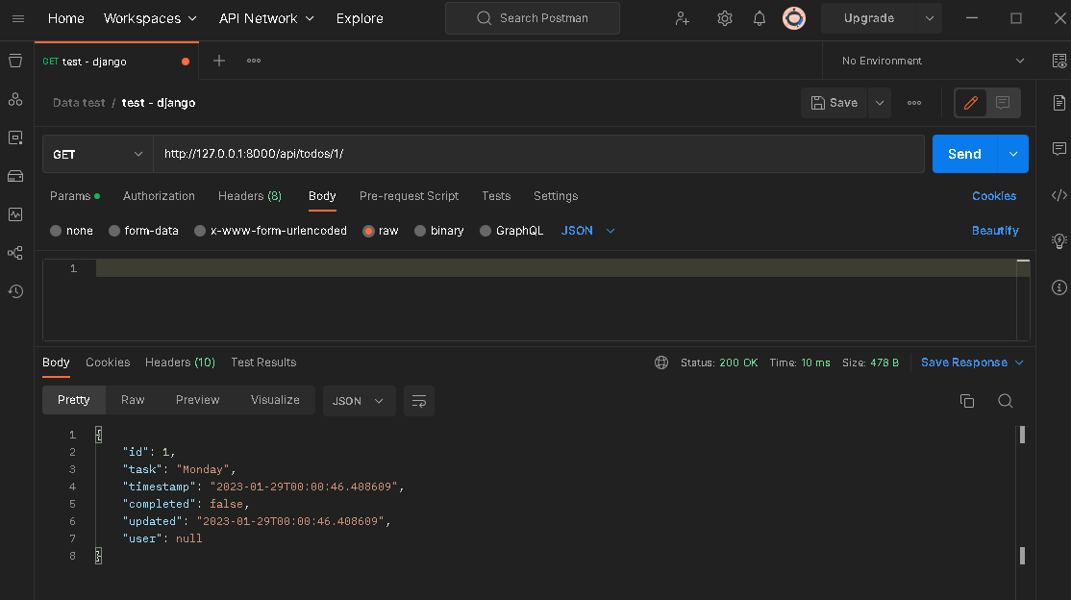

Method PUT ( Update Exitst Data ) --> http://127.0.0.1:8000/api/todos/{id}/ |  | Result

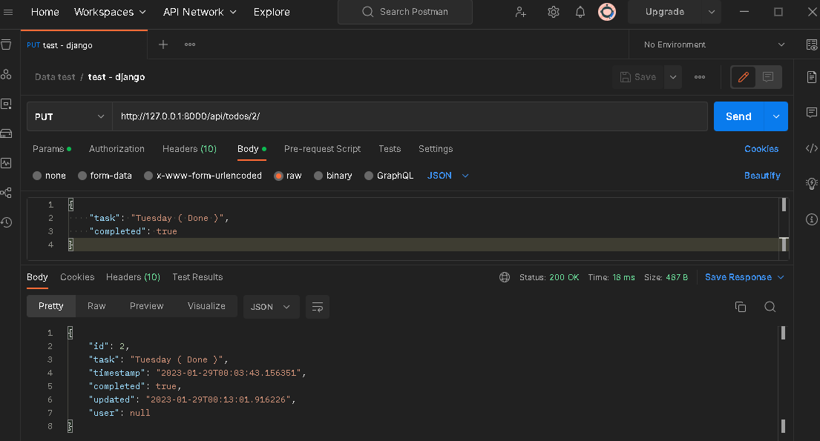
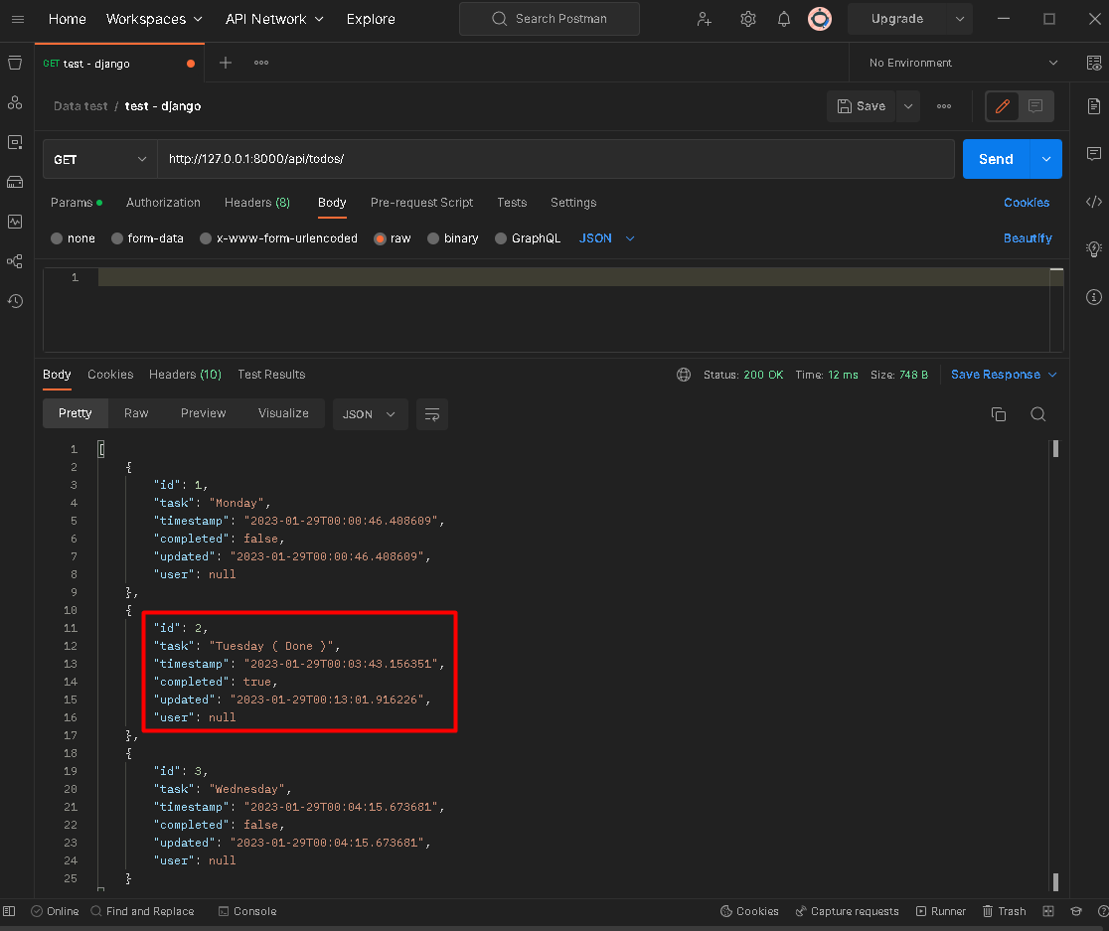

Method DELETE ( Delete Exitst Data ) --> http://127.0.0.1:8000/api/todos/{id}/ |  | Result

